Question 1
Country | France | Q1) Realizing the below picture in pivote table

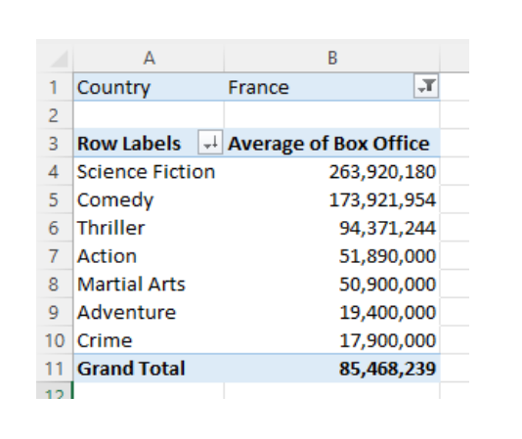
Row Labels | Average of Box Office
Action | 51890000
Adventure | 19400000
Comedy | 173921954
Crime | 17900000
Martial Arts | 50900000
Science Fiction | 263920180
Thriller | 94371243.5
Grand Total | 85468239.077

Question 3
Chocolate Bar Favourite

Chocolate Bar Favourite
Item | UK | France | USA | Germany
Crunchie | 12 | 1 | 2 | 5
Mars Bar | 25 | 7 | 11 | 23
Yorkie | 8 | 2 | 1 | 3
Dairy Crunch | 1 | 1 | 7 | 5
Cadburys Dairy Milk | 18 | 13 | 9 | 9
Snickers | 6 | 1 | 11 | 11
Hershey Bar | 2 | 8 | 38 | 6
Lindt Lindor Bar | 4 | 39 | 5 | 22
KitKat | 20 | 17 | 14 | 12
Dime Bar | 4 | 11 | 2 | 4
TOTAL | 100 | 100 | 100 | 100

